Schemes
 |  |  |  |  |  |  |  |  |  |  |  |  |  | Jun-26
Scheme Name | Classification | Category | Type of Scheme | Investment Objective | Fund Manager | Benchmark Index | Additional Benchmark Index | Exit Load | Lock-in period (if any) | Plans | Options | Minimum Investment Amount | AMC Scheme code | Month end AUM (Rs. in crore) | Total Expense Ratio - Regular Plan | Total Expense Ratio - Direct Plan | Inception Date | Monthly Portfolio of Schemes | Scheme Performance | Scheme Risk-O-Meter | Benchmark Risk-O-Meter
Zerodha Nifty LargeMidcap 250 Index Fund | Other Schemes | Index Funds | An open-ended scheme replicating/tracking Nifty LargeMidcap 250 Index. | The investment objective of the scheme is to invest in stocks comprising the Nifty LargeMidcap 250 Index in the same proportion as in the index to achieve returns equivalent to the Total Return Index of Nifty LargeMidcap 250 Index (subject to tracking error). There can be no assurance or guarantee that the investment objective of the Scheme would be achieved. | Mr. Kedarnath Mirajkar | Nifty LargeMidcap 250 Index TRI | - | NIL | NIL | Direct Plan | Growth Option | Additional Purchase: ₹ 100 and in multiples of any amount thereafter. | ZN250 | 1,486.49 | NA | 0.34 | 8-Nov-23 | Click here | Click here | 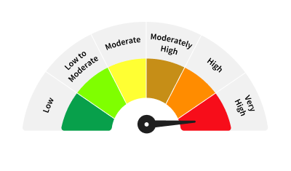
Zerodha ELSS Tax Saver Nifty LargeMidcap 250 Index Fund | Other Schemes | Index ELSS | An open-ended passive equity linked savings scheme with a statutory lock-in period of 3 years and tax benefit replicating/ tracking Nifty LargeMidcap 250 Index The Scheme is an Equity Linked Savings Scheme and intends to meet the requirements of any other notifications/ regulations that may be prescribed by the Government/ regulatory bodies from time to time. | The investment objective of the scheme is to invest in stocks comprising the Nifty LargeMidcap 250 Index in the same proportion as in the index to achieve returns equivalent to the Total Return Index of Nifty LargeMidcap 250 Index (subject to tracking error), while offering deduction on such investment made in the scheme under Section 80C of the Income-tax Act, 1961. There can be no assurance or guarantee that the investment objective of the Scheme would be achieved. | Mr. Kedarnath Mirajkar | Nifty LargeMidcap 250 Index TRI | - | NIL | 3 Years | Direct Plan | Growth Option | Additional Purchase: ₹ 500 and in multiples of ₹ 500 thereafter. | ZELSS | 279.83 | NA | 0.31 | 8-Nov-23 | Click here | Click here
Zerodha Nifty 1D Rate Liquid ETF | Other Schemes | ETFs | An open-ended Exchange Traded Fund replicating/ tracking Nifty 1D Rate Index. A relatively low interest rate risk and relatively low credit risk. | The investment objective of the Scheme is to invest in Tri Party repo on Government securities or treasury bills (TREPS). The Scheme aims to provide investment returns that, before expenses, correspond to the returns of the NIFTY 1D Rate Index, subject to tracking error. There is no assurance or guarantee that the investment objective of the scheme would be achieved. | Mr. Kedarnath Mirajkar | Nifty 1D Rate Index | - | NIL | NIL | NA | Growth Option | Additional Purchase: Units of the ETF can be subscribed (in lots of 1 Unit) during the trading hours on all trading days on the NSE and BSE on which the ETF has been listed. Market Makers & Large Investors investing in creation unit size can transact directly with the fund. | ZLIQD | 9,737.29 | NA | 0.28 | 17-Jan-24 | Click here | Click here | 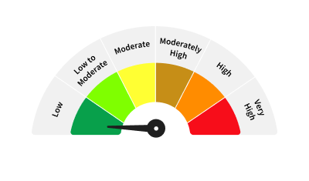
Zerodha Gold ETF | Other Schemes | ETFs | An open-ended scheme replicating/tracking domestic prices of Gold. | The investment objective of the scheme is to generate returns corresponding to the Domestic Price of Gold before expenses, subject to tracking errors, fees and expenses by investing in Physical Gold. There can be no assurance or guarantee that the investment objective of the Scheme would be achieved. | Mr. Shyam Agarwal Mr. Kedarnath Mirajkar | Domestic Price of Physical Gold | - | NIL | NIL | NA | NA | Additional Purchase: Units of the ETF can be subscribed (in lots of 1 Unit) during the trading hours on all trading days on the NSE and BSE on which the ETF has been listed. Market Makers & Large Investors investing in creation unit size can transact directly with the fund. | ZGOLD | 2,164.86 | NA | 0.35 | 26-Feb-24 | Click here | Click here | 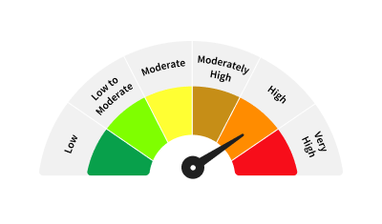
Zerodha Nifty 100 ETF | Other Schemes | ETFs | An open-ended scheme replicating/tracking Nifty 100 Total Returns Index | The investment objective of the scheme is to invest in stocks comprising the Nifty 100 Index in the same proportion as in the index to achieve returns equivalent to the Total Return Index of Nifty 100 Index (subject to tracking error). There is no assurance or guarantee that the investment objective of the scheme would be achieved. | Mr. Kedarnath Mirajkar | Nifty 100 Index TRI | - | NIL | NIL | NA | NA | Additional Purchase: Units of the ETF can be subscribed (in lots of 1 Unit) during the trading hours on all trading days on the NSE and BSE on which the ETF has been listed. Market Makers & Large Investors investing in creation unit size can transact directly with the fund. | ZE100 | 157.36 | NA | 0.26 | 12-Jun-24 | Click here | Click here
Zerodha Nifty Midcap 150 ETF | Other Schemes | ETFs | An open-ended scheme replicating/tracking Nifty Midcap 150 Total Return Index | The investment objective of the scheme is to invest in stocks comprising the Nifty Midcap 150 Index in the same proportion as in the index to achieve returns equivalent to the Total Return Index of Nifty Midcap 150 Index (subject to tracking error). There is no assurance or guarantee that the investment objective of the scheme would be achieved. | Mr. Kedarnath Mirajkar | Nifty Midcap 150 Index TRI | - | NIL | NIL | NA | NA | Additional Purchase: Units of the ETF can be subscribed (in lots of 1 Unit) during the trading hours on all trading days on the NSE and BSE on which the ETF has been listed. Market Makers & Large Investors investing in creation unit size can transact directly with the fund. | ZE150 | 253.87 | NA | 0.21 | 12-Jun-24 | Click here | Click here
Zerodha Gold ETF FoF | Other Schemes | FoFs - Domestic | An open ended fund of fund scheme investing in units of Gold ETF. | The investment objective of the scheme is to seek capital appreciation by investing in units of Gold ETF. There is no assurance or guarantee that the investment objective of the scheme would be achieved. | Mr. Shyam Agarwal Mr. Kedarnath Mirajkar | Domestic Price of Physical Gold | - | NIL | NIL | Direct Plan | Growth Option | Additional Purchase: ₹ 100 and in multiples of any amount thereafter. | ZGFOF | 328.42 | NA | 0.28 | 13-Nov-24 | Click here | Click here
Zerodha Silver ETF | Other Schemes | ETFs | An open ended Exchange Traded Fund replicating/ tracking domestic prices of physical Silver. | The investment objective of the scheme is to generate returns that are in line with the performance of physical silver in domestic prices, subject to tracking error. There is no assurance or guarantee that the investment objective of the scheme would be achieved. | Mr. Shyam Agarwal Mr. Kedarnath Mirajkar | Domestic Price of Physical Silver | - | NIL | NIL | NA | NA | Additional Purchase: Units of the ETF can be subscribed (in lots of 1 Unit) during the trading hours on all trading days on the NSE and BSE on which the ETF has been listed. Market Makers & Large Investors investing in creation unit size can transact directly with the fund. | ZSLVR | 1,142.90 | NA | 0.39 | 20-Mar-25 | Click here | Click here
Zerodha Overnight Fund | Debt Schemes | Overnight Fund | (An open ended debt scheme investing in overnight securities. A Relatively Low Interest Rate Risk and Relatively Low Credit Risk | The investment objective of the Scheme is to generate returns commensurate with low risk and providing high level of liquidity, through investments made in debt and money market securities having maturity of 1 business day including TREPS (Tri-Party Repo). There is no assurance or guarantee that the investment objective of the scheme would be achieved. | Mr. Kedarnath Mirajkar | Nifty 1D Rate Index | - | NIL | NIL | Direct Plan | Growth Option | Additional Purchase: ₹ 100 and in multiples of any amount thereafter. | ZOVER | 59.83 | NA | 0.13 | 4-Apr-25 | Click here | Click here
Zerodha Silver ETF FoF | Other Schemes | FoFs - Domestic | An open ended fund of fund scheme investing in units of Silver ETF. | The investment objective of the scheme is to seek capital appreciation by investing in units of Silver ETF. There is no assurance or guarantee that the investment objective of the scheme would be achieved. | Mr. Shyam Agarwal Mr. Kedarnath Mirajkar | Domestic Price of Physical Silver | - | NIL | NIL | Direct Plan | Growth Option | Additional Purchase: ₹ 100 and in multiples of any amount thereafter. | ZSFOF | 215.53 | NA | 0.2 | 8-Jul-25 | Click here | NA
Zerodha Nifty 8-13 Yr G-Sec ETF | Other Schemes | ETFs | An open-ended scheme replicating/tracking the Nifty 8-13 Yr G-Sec Index. A Relatively High Interest Rate Risk and Relatively Low Credit Risk. | The primary goal is to provide returns that, before expenses, align with the total returns of the securities represented by the Nifty 8-13 Yr G-Sec Index, subject to tracking error. There is no assurance or guarantee that the investment objective of the scheme would be achieved. | Mr. Kedarnath Mirajkar | Nifty 8-13 Yr G-Sec Index | - | NIL | NIL | Direct Plan | NA | Additional Purchase: Units of the ETF can be subscribed (in lots of 1 Unit) during the trading hours on all trading days on the NSE and BSE on which the ETF has been listed. Market Makers & Large Investors investing in creation unit size can transact directly with the fund. | ZLTGC | 113.08 | NA | 0.06 | 14-Aug-25 | Click here | NA | 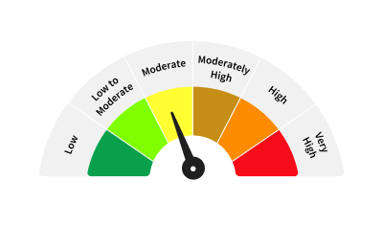
Zerodha Multi Asset Passive FoF | Other Schemes | FoFs (Domestic) - Hybrid FoF | An open ended fund of fund scheme investing in units of Equity, Debt Index Funds/ ETFs and Commodity ETFs. | The investment objective of the scheme is to provide diversified exposure across multiple asset classes—equity, debt, and commodities—through a passive investment approach. By blending asset classes with low correlation, this scheme seeks to offer better risk-adjusted returns while reducing overall portfolio volatility. There is no assurance or guarantee that the investment objective of the scheme would be achieved. | Mr. Kedarnath Mirajkar | 60% Nifty 200 TRI + 15% CRISIL 10 year Gilt Index + 25% Domestic prices of Physical Gold | - | NIL | NIL | Direct Plan | Growth Option | Additional Purchase: ₹ 100 and in multiples of any amount thereafter. | ZMLTI | 170.94 | NA | 0.23 | 13-Aug-25 | Click here | NA
Zerodha Nifty Smallcap 100 ETF | Other Schemes | ETFs | An open-ended scheme replicating/tracking Nifty Smallcap 100 Total Return Index | The investment objective of the scheme is to invest in stocks comprising the Nifty Smallcap 100 Index in the same proportion as in the index to achieve returns equivalent to the Total Return Index of Nifty Smallcap 100 Index (subject to tracking error). There is no assurance or guarantee that the investment objective of the scheme would be achieved. | Mr. Kedarnath Mirajkar | NIFTY Smallcap 100 TRI | - | NIL | NIL | Direct Plan | NA | Additional Purchase: Units of the ETF can be subscribed (in lots of 1 Unit) during the trading hours on all trading days on the NSE and BSE on which the ETF has been listed. Market Makers & Large Investors investing in creation unit size can transact directly with the fund. | ZESML | 80.05 | NA | 0.22 | 9-Sep-25 | Click here | NA
Zerodha Nifty 50 ETF | Other Schemes | ETFs | An open-ended scheme replicating/ tracking Nifty 50 Index - TRI | Passive investment in equity and equity related securities replicating the composition of Nifty 50 Index, subject to tracking errors. There is no assurance that the investment objective of the Scheme will be achieved. | Mr. Kedarnath Mirajkar | NIFTY 50 Index TRI | - | NIL | NIL | Direct Plan | NA | Additional Purchase: Units of the ETF can be subscribed (in lots of 1 Unit) during the trading hours on all trading days on the NSE and BSE on which the ETF has been listed. Market Makers & Large Investors investing in creation unit size can transact directly with the fund. | ZEN50 | 61.55 | NA | 0.06 | 14-Oct-25 | Click here | NA
Zerodha Nifty 50 Index Fund | Other Schemes | Index Funds | An open-ended scheme replicating/ tracking Nifty 50 Index - TRI | Passive investment in equity and equity related securities replicating the composition of the Nifty 50 Index, subject to tracking errors. There is no assurance that the investment objective of the Scheme will be achieved. | Mr. Kedarnath Mirajkar | NIFTY 50 Index TRI | - | NIL | NIL | Direct Plan | Growth Option | Additional Purchase: ₹100 and in multiples of ‘any amount’ thereafter. | ZNFTY | 64.00 | NA | 0.37 | 14-Oct-25 | Click here | NA
Zerodha BSE SENSEX Index Fund | Other Schemes | Index Funds | An open-ended scheme replicating/tracking BSE Sensex Index | Passive investment in equity and equity related securities replicating the composition of the BSE SENSEX Index, subject to tracking errors. There is no assurance that the investment objective of the Scheme will be achieved. | Mr. Kedarnath Mirajkar | BSE SENSEX Index TRI | - | NIL | NIL | Direct Plan | Growth Option | Additional Purchase: ₹100 and in multiples of ‘any amount’ thereafter. | ZBSEN | 17.67 | NA | 0.5 | 6-Nov-25 | Click here | NA
Zerodha Nifty Short Duration G-Sec Index Fund | Other Schemes | Index Funds | An open-ended scheme replicating/tracking the Nifty Short Duration G-Sec Index. A Moderate Interest Rate Risk and Relatively Low Credit Risk | The primary goal is to provide returns that, before expenses, align with the total returns of the securities constituting the Nifty Short Duration G-Sec Index, subject to tracking error. There is no assurance or guarantee that the investment objective of the scheme would be achieved. | Mr. Kedarnath Mirajkar | Nifty Short Duration G-Sec Index TRI | - | NIL | NIL | Direct Plan | Growth Option | Additional Purchase: ₹100 and in multiples of ‘any amount’ thereafter. | ZNSDG | 16.23 | NA | 0.21 | 14-Jan-26 | Click here | NA | 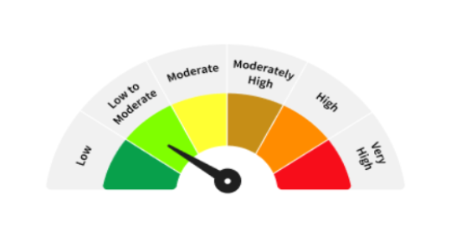
Zerodha Nifty MidSmallcap400 50 50 Index Fund | Other Schemes | Index Funds | An open-ended scheme replicating/ tracking Nifty MidSmallcap400 50:50 Index TRI. | The primary goal is to provide returns that, before expenses, align with the total returns of the securities constituting the Nifty MidSmallcap400 50:50 Index, subject to tracking error. There is no assurance or guarantee that the investment objective of the scheme would be achieved. | Mr. Kedarnath Mirajkar | Nifty MidSmallcap400 50:50 Index TRI | - | NIL | NIL | Direct Plan | Growth Option | Additional Purchase: ₹100 and in multiples of ‘any amount’ thereafter. | ZMIDS | 9.99 | NA | 1.36 | 9-Apr-26 | Click here | NA
Zerodha Nifty LargeMidcap250 Plus 8-13 yr G-Sec 70:30 Index Fund | Other Schemes | Equity Oriented Hybrid Index Fund | An open-ended scheme replicating/tracking Nifty LargeMidcap250 Plus 8-13 yr G-Sec 70:30 Index TRI. | Passive investment in securities replicating the composition of the Nifty LargeMidcap250 Plus 8-13 yr G-Sec 70:30 Index, subject to tracking error. There is no assurance that the investment objective of the Scheme will be achieved. | Mr. Kedarnath Mirajkar | Nifty LargeMidcap250 Plus 8-13 yr G-Sec 70:30 Index TRI. | - | NIL | NIL | Direct Plan | Growth Option | Additional Purchase: ₹100 and in multiples of ‘any amount’ thereafter. | ZNH73 | 19.34 | NA | 1.21 | 20-Apr-26 | Click here | NA

